R3 - probRegression
MEAN ProbRegression ClashType R3
probRegression |  |  |  | "probability of regressing out of a region given that it w as fixated during first pass"
SOURCE: | grand | mean
clashT | second | n | N | MEAN | SD | SE
 |  | 1178 | 128 | 0.3101 | 0.1744 | 0.0154

SOURCE: | clashT
clashT | second | n | N | MEAN | SD | SE
clash |  | 584 | 64 | 0.329 | 0.1753 | 0.0219
match |  | 594 | 64 | 0.2911 | 0.1728 | 0.0216

MEAN ProbRegression SecondTask R3
SOURCE: | second
clashT | second | n | N | MEAN | SD | SE
 | tap | 582 | 64 | 0.2896 | 0.1597 | 0.02
 | this | 596 | 64 | 0.3305 | 0.1869 | 0.0234

SOURCE: | clashT | second
clashT | second | n | N | MEAN | SD | SE
clash | tap | 280 | 32 | 0.3312 | 0.1709 | 0.0302
clash | this | 304 | 32 | 0.3267 | 0.1823 | 0.0322
match | tap | 302 | 32 | 0.2479 | 0.1381 | 0.0244
match | this | 292 | 32 | 0.3344 | 0.1944 | 0.0344

FACTOR | : | sbj | clashT | second | gp
LEVELS | : | 32 | 2 | 2 | 128
TYPE | : | RANDOM | WITHIN | WITHIN | DATA

Region 3 - Probability of Regression
SOURCE | SS | df | MS | F | p
===============================================================
mean | 12.305 | 1 | 12.305 | 261.587 | 0 | ***
s/ | 1.4582 | 31 | 0.047

clashT | 0.0458 | 1 | 0.0458 | 3.033 | 0.092
cs/ | 0.4684 | 31 | 0.0151

second | 0.0538 | 1 | 0.0538 | 2.226 | 0.146
ss/ | 0.7487 | 31 | 0.0242

cs | 0.0661 | 1 | 0.0661 | 2.004 | 0.167
css/ | 1.0221 | 31 | 0.033

 |  |  |  | cl

R3 - probRegression - log
MEAN ProbRegression ClashType R3
probRegression |  |  |  | "probability of regressing out of a region given that it w as fixated during first pass"
SOURCE: | grand | mean
clashT | second | n | N | MEAN | SD | SE
 |  | 128 | 128 | -0.8168 | 0.8173 | 0.0722

SOURCE: | clashT
clashT | second | n | N | MEAN | SD | SE
clash |  | 64 | 64 | -0.7242 | 0.8035 | 0.1004
match |  | 64 | 64 | -0.9094 | 0.8267 | 0.1033

MEAN ProbRegression SecondTask R3
SOURCE: | second
clashT | second | n | N | MEAN | SD | SE
 | tap | 64 | 64 | -0.8911 | 0.7543 | 0.0943
 | this | 64 | 64 | -0.7425 | 0.8754 | 0.1094

SOURCE: | clashT | second
clashT | second | n | N | MEAN | SD | SE
clash | tap | 32 | 32 | -0.685 | 0.7277 | 0.1286
clash | this | 32 | 32 | -0.7635 | 0.8828 | 0.1561
match | tap | 32 | 32 | -1.0971 | 0.7342 | 0.1298
match | this | 32 | 32 | -0.7216 | 0.8815 | 0.1558

MEAN ProbRegression R3
FACTOR | : | sbj | clashT | second | elog
LEVELS | : | 32 | 2 | 2 | 128
TYPE | : | RANDOM | WITHIN | WITHIN | DATA

SOURCE | SS | df | MS | F | p
===============================================================
mean | 85.3989 | 1 | 85.3989 | 91.142 | 0 | ***
s/ | 29.0466 | 31 | 0.937

clashT | 1.0968 | 1 | 1.0968 | 2.727 | 0.109
cs/ | 12.4696 | 31 | 0.4022

second | 0.706 | 1 | 0.706 | 1.314 | 0.26
ss/ | 16.6515 | 31 | 0.5371

cs | 1.6483 | 1 | 1.6483 | 2.202 | 0.148
css/ | 23.2044 | 31 | 0.7485

R3 - probFixation
MEAN ProbFixation Clashtype R3
probFixation
SOURCE: | grand | mean
clashT | second | n | N | MEAN | SD | SE
 |  | 1178 | 128 | 69.2274 | 15.8899 | 1.4045

SOURCE: | clashT
clashT | second | n | N | MEAN | SD | SE
clash |  | 584 | 64 | 69.8221 | 15.9467 | 1.9933
match |  | 594 | 64 | 68.6328 | 15.9365 | 1.9921

MEAN ProbFixation SecondTask R3
SOURCE: | second
clashT | second | n | N | MEAN | SD | SE
 | tap | 582 | 64 | 71.1229 | 16.1661 | 2.0208
 | this | 596 | 64 | 67.332 | 15.5031 | 1.9379

SOURCE: | clashT | second
clashT | second | n | N | MEAN | SD | SE
clash | tap | 280 | 32 | 72.6711 | 14.6772 | 2.5946
clash | this | 304 | 32 | 66.973 | 16.8706 | 2.9823
match | tap | 302 | 32 | 69.5747 | 17.628 | 3.1162
match | this | 292 | 32 | 67.691 | 14.2674 | 2.5221

FACTOR | : | sbj | clashT | second | gp
LEVELS | : | 32 | 2 | 2 | 128
TYPE | : | RANDOM | WITHIN | WITHIN | DATA
Region 3 - Probability of Fixation
SOURCE | SS | df | MS | F | p
===============================================================
mean | 613432.2192 | 1 | 613432.2192 | 1836.567 | 0 | ***
s/ | 10354.3156 | 31 | 334.0102

clashT | 45.2593 | 1 | 45.2593 | 0.265 | 0.61
cs/ | 5289.0285 | 31 | 170.6138

second | 459.8676 | 1 | 459.8676 | 1.747 | 0.196
ss/ | 8158.9427 | 31 | 263.1917

cs | 116.3986 | 1 | 116.3986 | 0.472 | 0.497
css/ | 7642.3925 | 31 | 246.5288

R3 - probFixation - log
MEAN ProbFixation Clashtype R3
probFixation
SOURCE: | grand | mean
clashT | second | n | N | MEAN | SD | SE
 |  | 128 | 128 | 2.9515 | 0.1812 | 0.016

SOURCE: | clashT
clashT | second | n | N | MEAN | SD | SE
clash |  | 64 | 64 | 2.9396 | 0.2056 | 0.0257
match |  | 64 | 64 | 2.9635 | 0.1537 | 0.0192

MEAN ProbFixation SecondTask R3
SOURCE: | second
clashT | second | n | N | MEAN | SD | SE
 | tap | 64 | 64 | 2.9378 | 0.2013 | 0.0252
 | this | 64 | 64 | 2.9653 | 0.159 | 0.0199

SOURCE: | clashT | second
clashT | second | n | N | MEAN | SD | SE
clash | tap | 32 | 32 | 2.8958 | 0.2333 | 0.0412
clash | this | 32 | 32 | 2.9833 | 0.1659 | 0.0293
match | tap | 32 | 32 | 2.9798 | 0.1559 | 0.0276
match | this | 32 | 32 | 2.9472 | 0.1522 | 0.0269

FACTOR | : | sbj | clashT | second | elog
LEVELS | : | 32 | 2 | 2 | 128
TYPE | : | RANDOM | WITHIN | WITHIN | DATA
MEAN ProbFixation R3
SOURCE | SS | df | MS | F | p
===============================================================
mean | 1115.0827 | 1 | 1115.0827 | 16848.002 | 0 | ***
s/ | 2.0517 | 31 | 0.0662

clashT | 0.0184 | 1 | 0.0184 | 2.19 | 0.149
cs/ | 0.2604 | 31 | 0.0084

second | 0.0241 | 1 | 0.0241 | 0.737 | 0.397
ss/ | 1.0127 | 31 | 0.0327

cs | 0.1152 | 1 | 0.1152 | 5.2 | 0.03 | *
css/ | 0.6867 | 31 | 0.0222

R3 - firstFixation
MEAN FirstFixation ClashType R3
firstFixation
SOURCE: | grand | mean
A | B | n | N | MEAN | SD | SE
 |  | 1178 | 128 | 24.3735 | 31.5641 | 2.7899

SOURCE: | A
A | B | n | N | MEAN | SD | SE
clash |  | 584 | 64 | 21.7471 | 25.8886 | 3.2361
match |  | 594 | 64 | 26.9999 | 36.3891 | 4.5486

MEAN FirstFixation SecondTask R3
SOURCE: | B
A | B | n | N | MEAN | SD | SE
 | tap | 582 | 64 | 25.8061 | 28.3165 | 3.5396
 | this | 596 | 64 | 22.9408 | 34.6758 | 4.3345

SOURCE: | A | B
A | B | n | N | MEAN | SD | SE
clash | tap | 280 | 32 | 26.6728 | 29.6127 | 5.2348
clash | this | 304 | 32 | 16.8214 | 20.8579 | 3.6872
match | tap | 302 | 32 | 24.9395 | 27.4052 | 4.8446
match | this | 292 | 32 | 29.0602 | 43.9459 | 7.7686

FACTOR | : | RANDOM | A | B | DATA |  | proportional | cell | sizes.
LEVELS | : | 32 | 2 | 2 | 128
TYPE | : | RANDOM | WITHIN | WITHIN | DATA

Region 3 - First Fixation Time
SOURCE | SS | df | MS | F | p
===============================================================
mean | 76040.5541 | 1 | 76040.5541 | 38.224 | 0 | ***
R/ | 61668.8387 | 31 | 1989.3174

A | 882.9301 | 1 | 882.9301 | 1.515 | 0.228
AR/ | 18066.5297 | 31 | 582.7913

B | 262.7213 | 1 | 262.7213 | 0.4 | 0.532
BR/ | 20377.2126 | 31 | 657.3294

AB | 1561.7626 | 1 | 1561.7626 | 2.042 | 0.163
ABR/ | 23709.4385 | 31 | 764.8206

R3 - firstPass
MEAN FirstPass ClashType R3
firstPassTime |  |  | "sum of all fixation durations made from first entering to first leaving a region, eliminating trials on which no such fixations occurred"
SOURCE: | grand | mean
A | B | n | N | MEAN | SD | SE
 |  | 1178 | 128 | 175.6599 | 69.012 | 6.0999

SOURCE: | A
A | B | n | N | MEAN | SD | SE
clash |  | 584 | 64 | 172.0462 | 58.4859 | 7.3107
match |  | 594 | 64 | 179.2736 | 78.446 | 9.8058

SOURCE: | B
A | B | n | N | MEAN | SD | SE
 | tap | 582 | 64 | 179.47 | 68.7374 | 8.5922
MEAN FirstPass SecondTask R3
 | this | 596 | 64 | 171.8498 | 69.6174 | 8.7022

SOURCE: | A | B
A | B | n | N | MEAN | SD | SE
clash | tap | 280 | 32 | 182.2316 | 63.7866 | 11.276
clash | this | 304 | 32 | 161.8608 | 51.6588 | 9.1321
match | tap | 302 | 32 | 176.7084 | 74.2806 | 13.1311
match | this | 292 | 32 | 181.8387 | 83.5158 | 14.7636

FACTOR | : | RANDOM | A | B | DATA
LEVELS | : | 32 | 2 | 2 | 128
TYPE | : | RANDOM | WITHIN | WITHIN | DATA

MEAN firstPass R3
SOURCE | SS | df | MS | F | p
=============================================================== |  |  |  |  |  |  | error.
mean | 3949618.6037 | 1 | 3949618.6037 | 339.223 | 0 | ***
R/ | 360937.3807 | 31 | 11643.1413

A | 1671.5087 | 1 | 1671.5087 | 0.82 | 0.372
AR/ | 63183.7765 | 31 | 2038.1863

B | 1858.1752 | 1 | 1858.1752 | 0.614 | 0.439
BR/ | 93841.9227 | 31 | 3027.1588

AB | 5202.4226 | 1 | 5202.4226 | 2.063 | 0.161
ABR/ | 78162.1263 | 31 | 2521.3589

R3 - goPast
MEAN GoPastTime ClashType R3
goPast |  |  | "sum of all fixation durations made from first entering a region to first leaving it to the right"
SOURCE: | grand | mean
A | B | n | N | MEAN | SD | SE
 |  | 1178 | 128 | 359.7204 | 163.7595 | 14.4744

SOURCE: | A
A | B | n | N | MEAN | SD | SE
clash |  | 584 | 64 | 383.2737 | 157.914 | 19.7392
match |  | 594 | 64 | 336.167 | 167.3202 | 20.915

MEAN GoPastTime SecondTask R3
SOURCE: | B
A | B | n | N | MEAN | SD | SE
 | tap | 582 | 64 | 358.0795 | 167.1202 | 20.89
 | this | 596 | 64 | 361.3613 | 161.6335 | 20.2042

SOURCE: | A | B
A | B | n | N | MEAN | SD | SE
clash | tap | 280 | 32 | 404.4846 | 184.3021 | 32.5803
clash | this | 304 | 32 | 362.0629 | 125.6264 | 22.2078
match | tap | 302 | 32 | 311.6743 | 135.448 | 23.9441
match | this | 292 | 32 | 360.6598 | 193.1594 | 34.1461

MEAN GoPastTime R3
FACTOR | : | RANDOM | A | B | DATA
LEVELS | : | 32 | 2 | 2 | 128
TYPE | : | RANDOM | WITHIN | WITHIN | DATA

SOURCE | SS | df | MS | F | p
===============================================================
mean | 16563040.965 | 1 | 16563040.965 | 291.563 | 0 | ***
R/ | 1761042.7745 | 31 | 56807.8314

A | 71009.3454 | 1 | 71009.3454 | 4.603 | 0.04 | *
AR/ | 478267.8513 | 31 | 15427.9952

B | 344.6619 | 1 | 344.6619 | 0.021 | 0.885
BR/ | 501579.1977 | 31 | 16179.9741

AB | 66842.1506 | 1 | 66842.1506 | 3.934 | 0.056
ABR/ | 526695.5386 | 31 | 16990.1787

Summary & B&C (2011) comparison
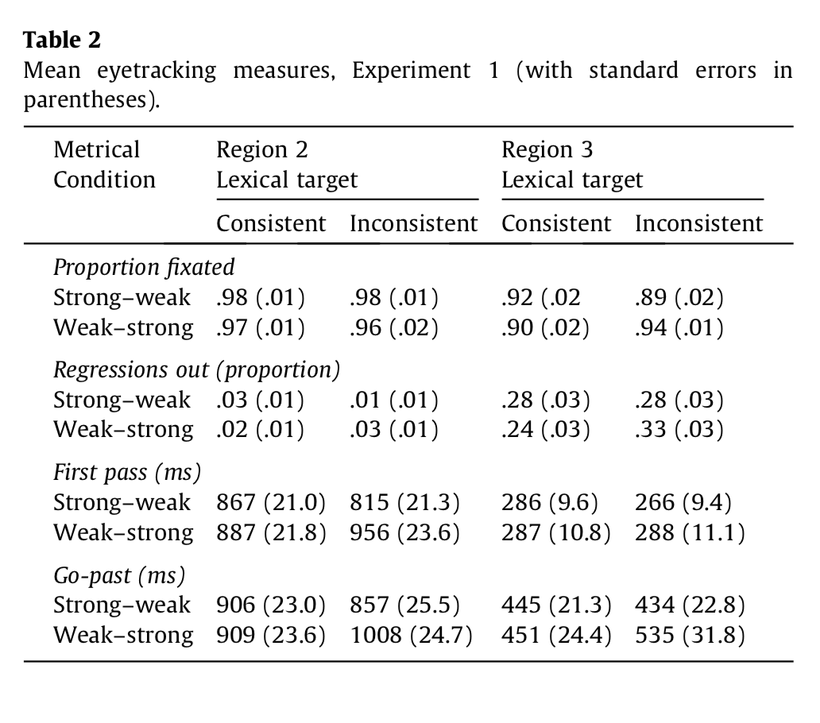
Mean eyetracking measures for the present study (with standard errors in parentheses)
2nd task | Region 2 |  | Region 3
 | match | clash | match | clash

Proportion fixated (probability)
tap | 91.2847 | 91.1074 | 69.5747 | 72.6711
this | 90.2728 | 87.6969 | 67.691 | 66.973

Regressions out (probability)
tap | 0.0806 | 0.0546 | 0.2479 | 0.3312
this | 0.1229 | 0.0973 | 0.3344 | 0.3267

First pass (ms)
tap | 629.1351 | 616.8953 | 176.7084 | 182.2316
this | 702.3021 | 725.2432 | 181.8387 | 161.8608

Go-past (ms)
tap | 779.5111 | 736.0308 | 311.6743 | 404.4846
this | 820.4065 | 826.5849 | 360.6598 | 362.0629

First fixation (ms)
tap | 199.4698 | 181.9833 | 26.6728 | 24.9395
this | 205.872 | 194.4355 | 16.8214 | 29.0602

Probability of Fixation

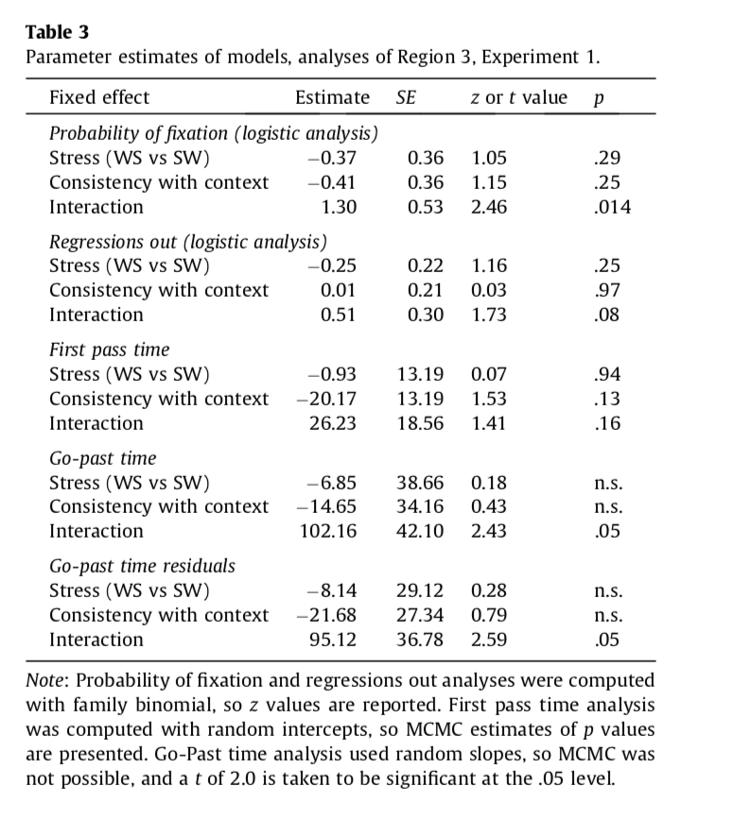

Prob fixation
 | Region 2 |  | Region 3
 | tap | this | tap | this
match | 91.2847 | 90.2728 | 69.5747 | 67.691
clash | 91.1074 | 87.6969 | 72.6711 | 66.973

match - error | 1.4725 | 2.5968 | 3.1162 | 2.5221
clash - error | 1.7218 | 2.0766 | 2.5946 | 2.9823
Probability of Regression

Prob Regression
 | Region 2 |  | Region 3
 | tap | this | tap | this
match | 0.0806 | 0.1229 | 0.2479 | 0.3344
clash | 0.0546 | 0.0973 | 0.3312 | 0.3267

match - error | 0.0169 | 0.0209 | 0.0244 | 0.0344
clash error | 0.0135 | 0.0205 | 0.0302 | 0.0322

First-Pass Time
FirstPas
 | Region 2 |  | Region 3
 | tap | this | tap | this
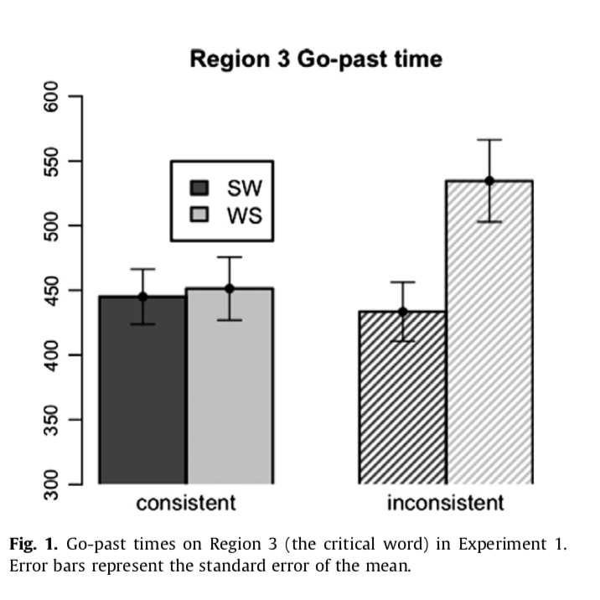
match | 629.1351 | 702.3021 | 176.7084 | 181.8387
clash | 616.8953 | 725.2432 | 182.2316 | 161.8608

match - error | 37.8937 | 37.0294 | 13.1311 | 14.7636
clash - error | 39.046 | 34.3506 | 11.276 | 9.1321

Go-Past Time
go past
 | Region 2 |  | Region 3
 | tap | this | tap | this
match | 779.5111 | 820.4065 | 311.6743 | 360.6598
clash | 736.0308 | 826.5849 | 404.4846 | 362.0629

match - error | 43.903 | 38.5131 | 23.9441 | 34.1461
clash - error | 47.1237 | 50.3447 | 32.5803 | 22.2078

R2 - probRegression
MEAN ProbRegression ClashType R2
ProbRegression R2 |  |  |  |  | "probability of regressing out of a region given that it w as fixated during first pass"
SOURCE: | grand | mean
clashT | second | n | N | MEAN | SD | SE
 |  | 1178 | 128 | 0.0889 | 0.105 | 0.0093

SOURCE: | clashT
clashT | second | n | N | MEAN | SD | SE
clash |  | 584 | 64 | 0.0759 | 0.1 | 0.0125
match |  | 594 | 64 | 0.1018 | 0.1089 | 0.0136

MEAN ProbRegression SecondTask R2
SOURCE: | second
clashT | second | n | N | MEAN | SD | SE
 | tap | 582 | 64 | 0.0676 | 0.087 | 0.0109
 | this | 596 | 64 | 0.1101 | 0.1171 | 0.0146

SOURCE: | clashT | second
clashT | second | n | N | MEAN | SD | SE
clash | tap | 280 | 32 | 0.0546 | 0.0766 | 0.0135
clash | this | 304 | 32 | 0.0973 | 0.1162 | 0.0205
match | tap | 302 | 32 | 0.0806 | 0.0957 | 0.0169
match | this | 292 | 32 | 0.1229 | 0.1185 | 0.0209

MEAN ProbRegression R2
FACTOR | : | sbj | clashT | second | gp
LEVELS | : | 32 | 2 | 2 | 128
TYPE | : | RANDOM | WITHIN | WITHIN | DATA

SOURCE | SS | df | MS | F | p
===============================================================
mean | 1.0107 | 1 | 1.0107 | 60.492 | 0 | ***
s/ | 0.5179 | 31 | 0.0167

clashT | 0.0214 | 1 | 0.0214 | 2.285 | 0.141
cs/ | 0.2904 | 31 | 0.0094

second | 0.0579 | 1 | 0.0579 | 7.249 | 0.011 | *
ss/ | 0.2475 | 31 | 0.008

cs | 0 | 1 | 0 | 0 | 0.989
css/ | 0.264 | 31 | 0.0085

R2 - probRegression - log
MEAN ProbRegression ClashType R2
ProbRegression R2 |  |  |  |  | "probability of regressing out of a region given that it w as fixated during first pass"
SOURCE: | grand | mean
clashT | second | n | N | MEAN | SD | SE
 |  | 128 | 128 | -2.1474 | 0.8354 | 0.0738

SOURCE: | clashT
clashT | second | n | N | MEAN | SD | SE
clash |  | 64 | 64 | -2.2313 | 0.7948 | 0.0994
match |  | 64 | 64 | -2.0634 | 0.8722 | 0.109

MEAN ProbRegression SecondTask R2
SOURCE: | second
clashT | second | n | N | MEAN | SD | SE
 | tap | 64 | 64 | -2.2819 | 0.7505 | 0.0938
 | this | 64 | 64 | -2.0128 | 0.8982 | 0.1123

SOURCE: | clashT | second
clashT | second | n | N | MEAN | SD | SE
clash | tap | 32 | 32 | -2.3509 | 0.6875 | 0.1215
clash | this | 32 | 32 | -2.1118 | 0.8841 | 0.1563
match | tap | 32 | 32 | -2.2129 | 0.8138 | 0.1439
match | this | 32 | 32 | -1.9138 | 0.9152 | 0.1618

MEAN ProbRegression R2
FACTOR | : | sbj | clashT | second | elog
LEVELS | : | 32 | 2 | 2 | 128
TYPE | : | RANDOM | WITHIN | WITHIN | DATA

SOURCE | SS | df | MS | F | p
===============================================================
mean | 590.2242 | 1 | 590.2242 | 532.694 | 0 | ***
s/ | 34.348 | 31 | 1.108

clashT | 0.903 | 1 | 0.903 | 1.559 | 0.221
cs/ | 17.9586 | 31 | 0.5793

second | 2.3179 | 1 | 2.3179 | 4.527 | 0.041 | *
ss/ | 15.8724 | 31 | 0.512

cs | 0.0288 | 1 | 0.0288 | 0.052 | 0.821
css/ | 17.2038 | 31 | 0.555

R2 - probFixation
MEAN ProbFixation Clashtype R2
probFixation R2
SOURCE: | grand | mean
clashT | second | n | N | MEAN | SD | SE
 |  | 1178 | 128 | 90.0905 | 11.3367 | 1.002

SOURCE: | clashT
clashT | second | n | N | MEAN | SD | SE
clash |  | 584 | 64 | 89.4021 | 10.8413 | 1.3552
match |  | 594 | 64 | 90.7788 | 11.8568 | 1.4821

MEAN ProbFixation SecondTask R2
SOURCE: | second
clashT | second | n | N | MEAN | SD | SE
 | tap | 582 | 64 | 91.1961 | 8.9906 | 1.1238
 | this | 596 | 64 | 88.9849 | 13.2577 | 1.6572

SOURCE: | clashT | second
clashT | second | n | N | MEAN | SD | SE
clash | tap | 280 | 32 | 91.1074 | 9.7401 | 1.7218
clash | this | 304 | 32 | 87.6969 | 11.7469 | 2.0766
match | tap | 302 | 32 | 91.2847 | 8.3297 | 1.4725
match | this | 292 | 32 | 90.2728 | 14.6898 | 2.5968

FACTOR | : | sbj | clashT | second | gp
LEVELS | : | 32 | 2 | 2 | 128
TYPE | : | RANDOM | WITHIN | WITHIN | DATA
MEAN ProbFixation R2
SOURCE | SS | df | MS | F | p
===============================================================
mean | 1038885.1101 | 1 | 1038885.1101 | 5616.538 | 0 | ***
s/ | 5734.0374 | 31 | 184.9689

clashT | 60.6436 | 1 | 60.6436 | 0.951 | 0.337
cs/ | 1976.9272 | 31 | 63.7718

second | 156.4615 | 1 | 156.4615 | 1.533 | 0.225
ss/ | 3164.4868 | 31 | 102.0802

cs | 46.0262 | 1 | 46.0262 | 0.275 | 0.604
css/ | 5183.4658 | 31 | 167.2086

R2 - probFixation - log
MEAN ProbFixation Clashtype R2
probFixation R2
SOURCE: | grand | mean
clashT | second | n | N | MEAN | SD | SE
 |  | 128 | 128 | 2.9515 | 0.1812 | 0.016

SOURCE: | clashT
clashT | second | n | N | MEAN | SD | SE
clash |  | 64 | 64 | 2.9396 | 0.2056 | 0.0257
match |  | 64 | 64 | 2.9635 | 0.1537 | 0.0192

MEAN ProbFixation SecondTask R2
SOURCE: | second
clashT | second | n | N | MEAN | SD | SE
 | tap | 64 | 64 | 2.9378 | 0.2013 | 0.0252
 | this | 64 | 64 | 2.9653 | 0.159 | 0.0199

SOURCE: | clashT | second
clashT | second | n | N | MEAN | SD | SE
clash | tap | 32 | 32 | 2.8958 | 0.2333 | 0.0412
clash | this | 32 | 32 | 2.9833 | 0.1659 | 0.0293
match | tap | 32 | 32 | 2.9798 | 0.1559 | 0.0276
match | this | 32 | 32 | 2.9472 | 0.1522 | 0.0269

FACTOR | : | sbj | clashT | second | elog
LEVELS | : | 32 | 2 | 2 | 128
TYPE | : | RANDOM | WITHIN | WITHIN | DATA
MEAN ProbFixation R2
SOURCE | SS | df | MS | F | p
===============================================================
mean | 1115.0827 | 1 | 1115.0827 | 16848.002 | 0 | ***
s/ | 2.0517 | 31 | 0.0662

clashT | 0.0184 | 1 | 0.0184 | 2.19 | 0.149
cs/ | 0.2604 | 31 | 0.0084

second | 0.0241 | 1 | 0.0241 | 0.737 | 0.397
ss/ | 1.0127 | 31 | 0.0327

cs | 0.1152 | 1 | 0.1152 | 5.2 | 0.03 | *
css/ | 0.6867 | 31 | 0.0222

R2 - firstPass
MEAN FirstPass ClashType R2
firstPass |  |  |  | "sum of all fixation durations made from first entering to first leaving a region, eliminating trials on which no such fixations occurred"
SOURCE: | grand | mean
A | B | n | N | MEAN | SD | SE
 |  | 1178 | 128 | 668.3939 | 212.632 | 18.7942

SOURCE: | A
A | B | n | N | MEAN | SD | SE
clash |  | 584 | 64 | 671.0692 | 213.4652 | 26.6832
match |  | 594 | 64 | 665.7186 | 213.4489 | 26.6811

SOURCE: | B
A | B | n | N | MEAN | SD | SE
 | tap | 582 | 64 | 713.7726 | 216.218 | 27.0272
 | this | 596 | 64 | 623.0152 | 200.5201 | 25.065
MEAN FirstPass SecondTask R2
SOURCE: | A | B
A | B | n | N | MEAN | SD | SE
clash | tap | 280 | 32 | 725.2432 | 220.8778 | 39.046
clash | this | 304 | 32 | 616.8953 | 194.3161 | 34.3506
match | tap | 302 | 32 | 702.3021 | 214.3592 | 37.8937
match | this | 292 | 32 | 629.1351 | 209.4699 | 37.0294

FACTOR | : | RANDOM | A | B | DATA
LEVELS | : | 32 | 2 | 2 | 128
TYPE | : | RANDOM | WITHIN | WITHIN | DATA

MEAN FirstPass R2
SOURCE | SS | df | MS | F | p
===============================================================
mean | 57184055.773 | 1 | 57184055.773 | 584.55 | 0 | ***
R/ | 3032598.3118 | 31 | 97825.752

A | 916.1397 | 1 | 916.1397 | 0.037 | 0.85
AR/ | 776909.6984 | 31 | 25061.6032

B | 263580.9424 | 1 | 263580.9424 | 8.38 | 0.007 | **
BR/ | 975077.7865 | 31 | 31454.1221

AB | 9901.5463 | 1 | 9901.5463 | 0.449 | 0.508
ABR/ | 682984.813 | 31 | 22031.7682

R2 - goPast
MEAN GoPastTime ClashType R2
goPast R2 |  |  |  | "sum of all fixation durations made from first entering a region to first leaving it to the right"
SOURCE: | grand | mean
A | B | n | N | MEAN | SD | SE
 |  | 1178 | 128 | 790.6333 | 255.1784 | 22.5548

SOURCE: | A
A | B | n | N | MEAN | SD | SE
clash |  | 584 | 64 | 781.3079 | 277.4142 | 34.6768
match |  | 594 | 64 | 799.9588 | 232.6591 | 29.0824

SOURCE: | B
A | B | n | N | MEAN | SD | SE
 | tap | 582 | 64 | 823.4957 | 255.5898 | 31.9487
MEAN GoPastTime SecondTask R2
 | this | 596 | 64 | 757.7709 | 252.4783 | 31.5598

SOURCE: | A | B
A | B | n | N | MEAN | SD | SE
clash | tap | 280 | 32 | 826.5849 | 266.572 | 47.1237
clash | this | 304 | 32 | 736.0308 | 284.7928 | 50.3447
match | tap | 302 | 32 | 820.4065 | 248.353 | 43.903
match | this | 292 | 32 | 779.5111 | 217.8628 | 38.5131

FACTOR | : | RANDOM | A | B | DATA
LEVELS | : | 32 | 2 | 2 | 128
TYPE | : | RANDOM | WITHIN | WITHIN | DATA
MEAN GoPastTime R2
SOURCE | SS | df | MS | F | p
===============================================================
mean | 80012933.706 | 1 | 80012933.706 | 545.57 | 0 | ***
R/ | 4546443.5166 | 31 | 146659.4683

A | 11131.4243 | 1 | 11131.4243 | 0.284 | 0.598
AR/ | 1215360.2806 | 31 | 39205.1703

B | 138232.0614 | 1 | 138232.0614 | 4.04 | 0.053
BR/ | 1060813.6455 | 31 | 34219.795

AB | 19727.9131 | 1 | 19727.9131 | 0.479 | 0.494
ABR/ | 1278023.5799 | 31 | 41226.5671

R2 - firstFix (do not analyze)
MEAN FirstFixation ClashType R2
firstFixation R2
SOURCE: | grand | mean
A | B | n | N | MEAN | SD | SE
 |  | 1178 | 128 | 195.4401 | 61.5862 | 5.4435

SOURCE: | A
A | B | n | N | MEAN | SD | SE
clash |  | 584 | 64 | 188.2094 | 60.1226 | 7.5153
match |  | 594 | 64 | 202.6709 | 62.6495 | 7.8312

MEAN FirstFixation SecondTask R2
SOURCE: | B
A | B | n | N | MEAN | SD | SE
 | tap | 582 | 64 | 200.1537 | 57.1438 | 7.143
 | this | 596 | 64 | 190.7266 | 65.8434 | 8.2304

SOURCE: | A | B
A | B | n | N | MEAN | SD | SE
clash | tap | 280 | 32 | 194.4355 | 59.1565 | 10.4575
clash | this | 304 | 32 | 181.9833 | 61.3723 | 10.8492
match | tap | 302 | 32 | 205.872 | 55.4002 | 9.7935
match | this | 292 | 32 | 199.4698 | 69.9013 | 12.3569

FACTOR | : | RANDOM | A | B | DATA
LEVELS | : | 32 | 2 | 2 | 128
TYPE | : | RANDOM | WITHIN | WITHIN | DATA

MEAN FirstFixation R2
SOURCE | SS | df | MS | F | p
===============================================================
mean | 4889197.082 | 1 | 4889197.082 | 603.555 | 0 | ***
R/ | 251120.6738 | 31 | 8100.6669

A | 6692.3218 | 1 | 6692.3218 | 2.405 | 0.131
AR/ | 86269.3114 | 31 | 2782.881

B | 2843.8938 | 1 | 2843.8938 | 1.429 | 0.241
BR/ | 61681.4781 | 31 | 1989.7251

AB | 292.8309 | 1 | 292.8309 | 0.125 | 0.726
ABR/ | 72792.237 | 31 | 2348.1367

